Explicit Consent
1. Remove - what brings us here
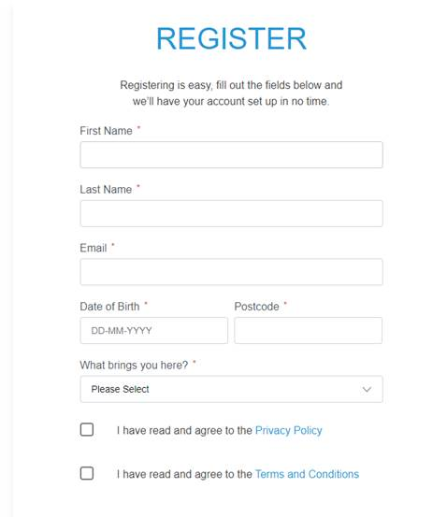

Must agree with T&C's and Privacy Policy before proceeding

2. Explicit Consent Form - new development
Will pop up once the have completed everything on the first page
Will contain information they must read and have to check the box that they agree or disagree
If disagree, app will close and they cannot create a login
If agree, they go through to home page

Appointment
Hide Appointments tab - we won’t be using at this stage

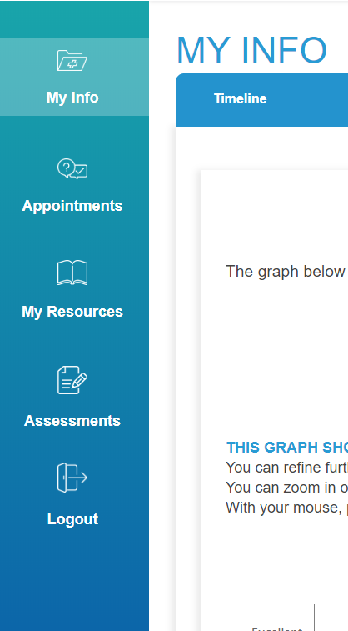

Hide -->

Timeline features
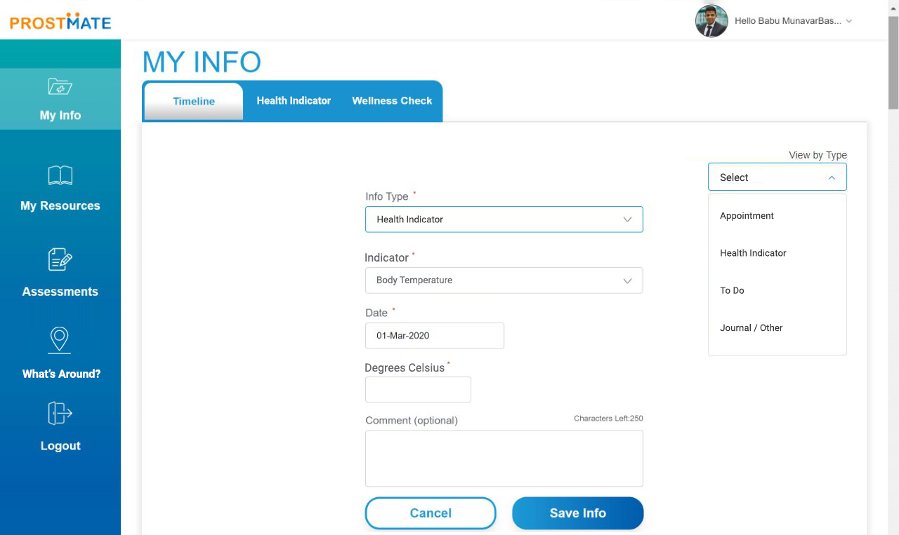
My Info> Timeline> Add Info> Appointment
Rename Specialist to 'Type'
Type - In dropdown+A43
Medical
Fitness
Nutrition
Wellness
Social
Training
Heak

This is new development
My Info> Timeline> Add Info> Health Indicator
Subtype labelled as 'Indicator'
Indicator types | Value (previously Result)
Body Temperature | Degrees Celcius
Weight | Kgs
Steps | Steps
Heart rate | BPM
Blood sugar | mmol/L
Cholestrol | mmol/L
Physical Activity | Minutes
Blood pressure (Diastyolic) | MHG
Blood Pressure (Systolic) | MHG
Water intake | Litres

Graph
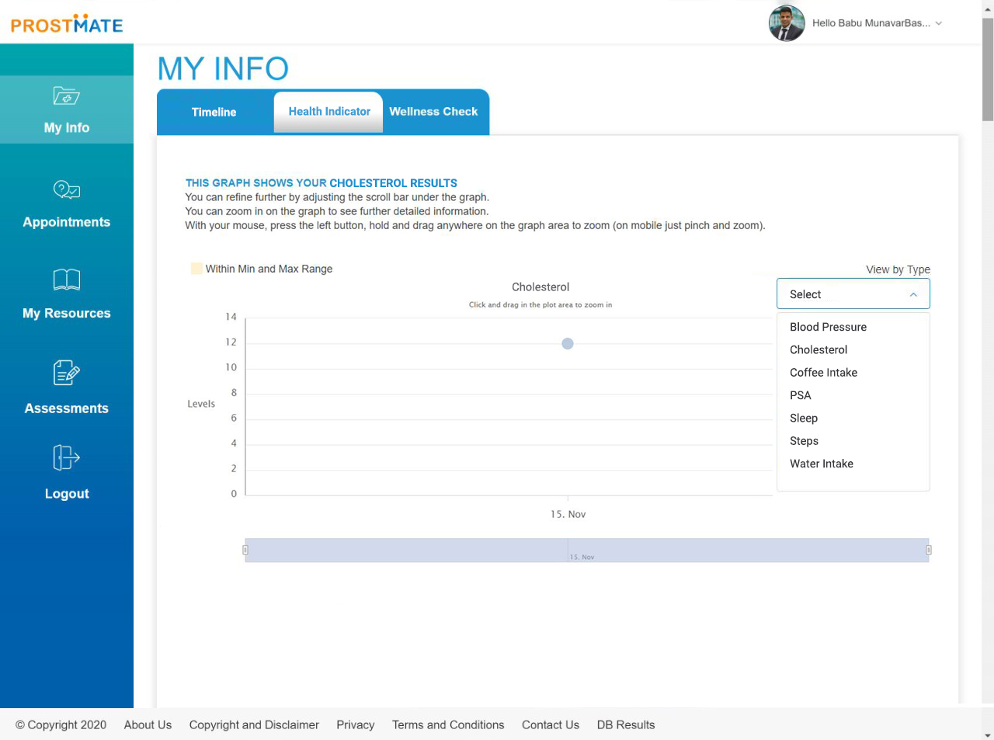
1. Previosuly PSA, needs to be renamed to Health Indicator

2. Dropdown needs to be added that contains the Health indicators from the timeline feature
This will allow user to select which data they would like displayed on the graph.
Body Temperature - graph defaults to body temp for users first log in
Weight
Steps
Heart rate
Blood sugar
Cholestrol
Physical Activity
Blood pressure (Diastyolic)
Blood Pressure (Systolic)
Water intake

Ignore - Body Temp
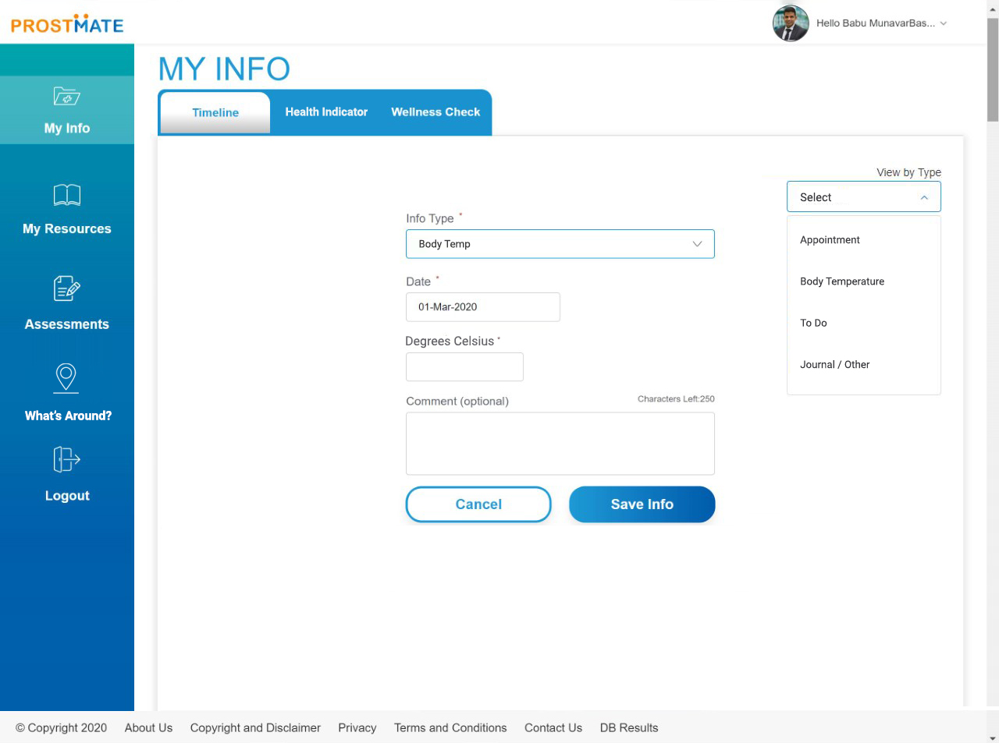
NOT REQURIED NOW THAT WE ARE DEVELOPING 'HEALTH INDICATOR' TYPE
1. Update top PSA tab to say Health Indicator

2. Info Types
Keep appointment, journal, to do and PSA
Update PSA title to Health Indicator
Hide Decision & treatment types

3. Change PSA Result to Degrees Celcius within the PSA info type.

